Pivot Table 6
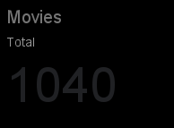

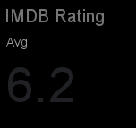





Content Count wise Content Count
AVERAGE of duration_minutes vs content_type

AVERAGE of imdb_rating vs content_type

Dashboard
NETFLIX

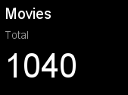
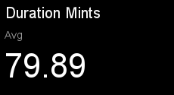
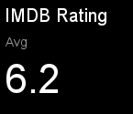


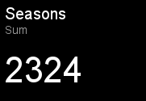
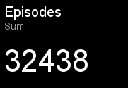

Content Count wise Content Count
 | Total IDs
Content_Type wise Duration Minutes

AVERAGE of imdb_rating vs content_type
Investment VS Revenue
Country wise Invest VS Return

